Dala Sales & Deliveries
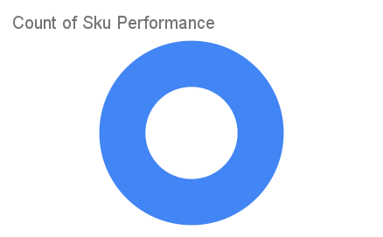
Total Invoices Delivered | 4.00 | Sku Performance | Units | Value
Unique Locations Supplied | 4.00 | 150g Primechem Kesteen Black Soap (48x) | 1.25 | 39,000.00
Total Value of orders | 39,000.00 |  | 0.00 | 0.00
 |  |  | 0.00 | 0.00
 |  |  | 0.00 | 0.00
 |  |  | 0.00 | 0.00
 |  |  | 0.00 | 0.00
 |  |  | 0.00 | 0.00
 |  |  | 0.00 | 0.00
 |  |  | 0.00 | 0.00
 |  |  | 0.00 | 0.00
 |  |  | 0.00 | 0.00
 |  |  | 0.00 | 0.00

